Sheet1
 |  | Document No. | Issue No. | Issue Date |  | Review and Replace Date |  | Authorised By
 |  | GFF527MC | 1 | 01.08.2025 |  | New Issue |  | Magda Shah
 |  | Document Title | CHICKEN POPCORN 280G
 |  |  |  |  |  |  |  | Magda Shah
Document amendments reason for change |  | New launch |  | Page 1 of 1 | Previous Issue Date |  | New Issue | Uncontrolled copy unless signed original

Pack +10 Days
CCPOB-R6TTA | TAKUL |  | CHICKEN POPCORN 280G | CHILLED
STEP 1 |  |  |  | STEP 2
 |  |  |  | 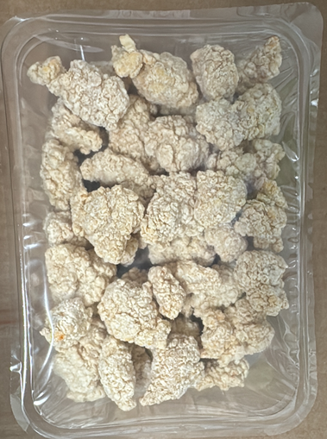
Tray: SK4-Plain Clear (PKESSOO1-07) |  |  |  | Chicken Popcorn (RMHSM001-06): 280g |  |  |  |  | TOTAL WEIGHT 280g
Film: AF Weld Film (300mmX1000lm) (PKKMP001-07)

